Messho Login Screen
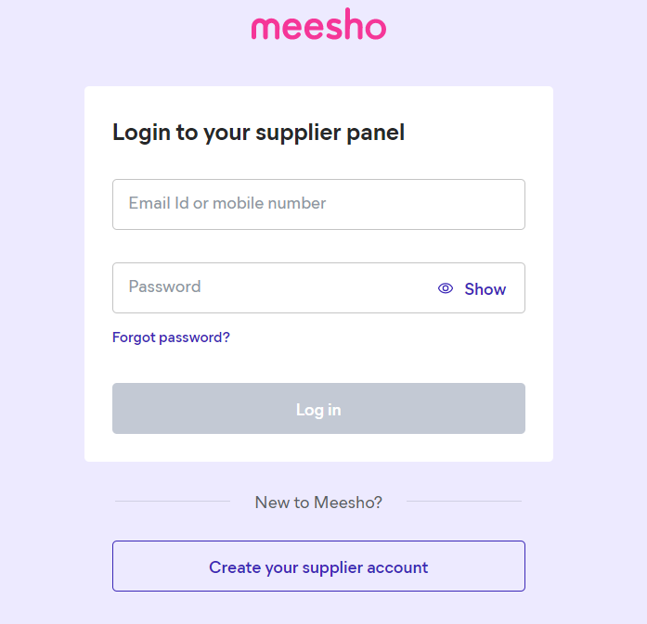
Test Case Template for Project
Project Name | Messho Suppiler Project
Module Name | login Page, Forget_Password & Create_supplier_account
Created By | Gautami
Created Date | 3-Jun-23
Website Link | https://supplier.meesho.com/

